Cover
LGE Internal Use Only

LGE VS [OEM NAME] [PROJECT NAME]

 |  | SW Requirement Specification

Document Information
Issuing authority |  | VS OOO Team
Configuration ID |  | Configuration Item ID of CMBook
Status of document |  | In Progress / Approved / Released

Revision History
Version | Date | Comment | Author | Approver
#.# | YYYY-MM-DD | OOOOOOOO | OOO | OOO

Overview
2. Overview
2.1 SW Overview
• Briefly describe what the software is. - Software name, scope, purpose - Background information which aids understanding of the software - Software structure and its characteristics
The IHU Main element is responsible for operating the Infotainment Head Unit (IHU). At startup, it determines the startup sequence for applications depending on various contexts including Last User Context (LUC), car configurations. Once the IHU is started, the IHU Main manages the lifecycle of applications such as resuming application, pausing application and restarting application abnormally terminated for reliabilities. For those purposes, the IHU Main element interacts with various external components including WebAppFramework to support web app runtime. The IHU Main element consists of three major parts; App Manager, App Launcher and AppCommonAPI.

2.2 SW Main Features
• Example 1: Describes the main function of SW to be developed in the form of text or tables. If the function consists of several levels, tabulate. • Example 2: Write a Level 1 Use case diagram and a table describing it. • When a document is written by each feature saperately, the full description is vulnerable to change and therefore only describes the scope of the feature. • If this software is derived from the existing software, describe new or modified functions, interfaces, capabilities, and other changes compared to the existing software.
Example 1
Table 2.1 Software Main Features
Level 1 | Level 2 | Level 3 | Descriptions
Multimedia | Audio Player | Disc Audio Player | Plays music that is stored in disc. (CD, MP3, DVD)
 |  | USB Audio Player | Plays music that is stored in USB
Telematics | Telephony | Voice Call Answer | Answers the incoming voice call.
 |  | Voice Call Request | Requests voice call connection to the given number.
 |  | Call Center Request | Requests connection to the given call center.
 | Remote svc | Remote Door Lock | Remote door lock
 |  | Remote Engine Control | Remote engine control
… | … | … | …

Example 2
The following is an example of a Use case diagram for the UC11 Personal Call feature.
Figure 2.1 UC11 Personal Call Use case diagram
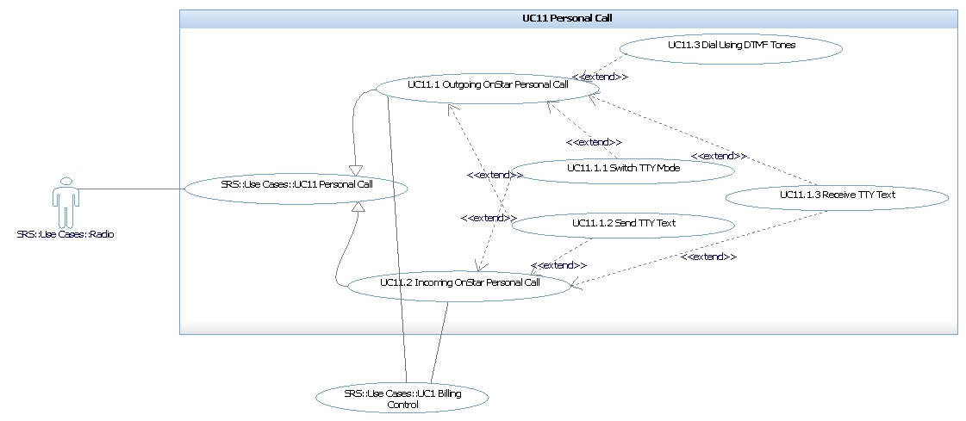

Table 2.2 UC11 Hierarchy Use Case List
L1 UC_ID | L2 UC_ID | Descriptions
UC11 Personal Call | UC11.1 Outgoing Persona call | …
 | UC11.1.1 Switch TTY Mode
 | UC11.1.2 Send TTY Text
 | …

External Interface Requirements
3. External Interface Requirements
• Identify the external interface (Type) of the SW development Scope through the Context Diagram (Section 3.1), and describe in detail in Section 3.2 for each Interface Type. • Each interface in section 3.2 should be identified at the individual message level and describes ID, purpose, Source, Destination, Communication Type, Data Item (including possible Type / Range). If there are constraints like timing, protocol, describe them together.. • Each interface must be referenced by SRS_ID (or UC_ID) to be used as input / output of Functional Requirement.

3.1 SW Context
• Define context diagram, which shows how the software is required to interact with external entities. (If necessary, refer to System Architecture Design.) • The context diagram represents external interfaces such as HW interface, SW interface, and Communication interface. • HW interface means interaction between SW and external HW. It is specified in the HIS (HW/SW interface specifications) document instead of SRS. • In Context Diagram, the lines marked with external interface should be classified by type, and the legend must be clearly defined. • Inside the Context Diagram, the SW that is to be developed can be treated as a black box or an internal functional configuration (logical architecture rather than physical configuration). • Under the Context Diagram image, describe what function the external SW is. • In the case of pure SW development, if the use case diagram is used in Section 2, this clause can be omitted because it includes Context. However, in case of embedded SW, if HW-SW interface is identified in SysAD, it should be included in context Diagram.

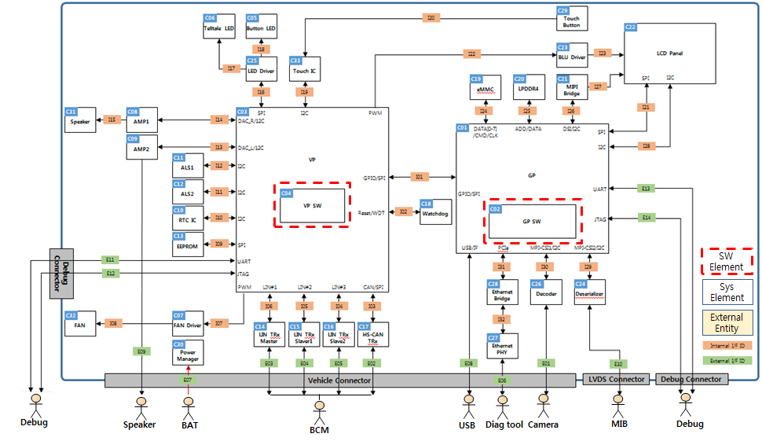
Figure 3.1 Software Context Diagram (Example)

The SW context diagram shows the interface between the Software and the following external components. • User Input: This component shall communicate with Home application to launch other application. • ….

3.2 External Interfaces
Define a message that used in the external interface identified at the SW Context. It can be divided into sub-sections by type (UI, API, CAN, SPI, LIN, etc.) or all interfaces can be written in one table. If you create all the interface messages in one table, you can omit the sub-clause. The UC_ID column in the table below can be used as a function ID if the use case is not used. SRS_ID can be Use case ID_seq. #, when use case is used.
Table 3.1 External Interface list
SRS_ID | IF_ID | Message | Type | Source | Direction | Destination | Description | UC_ID
EX1_1 | I01 | SetupRQ | CAN | IHU | -> | MCU_SW | … | UC3.1
EX1_2 | I01 | SetupRP | CAN | IHU | <-> | MCU_SW |  | UC3.1
EX1_3 | I02 | IncVoice | API |  | -> | MCU_SW |  | UC3.2
 | I04 | ReleaseRQ | SPI | MPSoC_SW | <-> | MCU_SW |  | UC3.3
 | I05 | ConnectRQ | LIN | IHU | -> | MCU_SW |  | UC3.4
Ref. [x] for message detail

3.2.1 User Interface
Describe the user interface identified in the SW Context as figures and tables. (See Table 3.1 for form)

3.2.2 SW Interface
Describe the SW interface with the external entities identified in the SW Context. Generally, they are interfaces provided in API form at the code level.
Table 3.2 SW Interface
No | Source | Interface Name | Description | UC_ID
1 |  | Native App Interface | Exchanges application related information that needs to be shared with App Manager
2 |  | Wayland Interface | Requests Wayland Server to show a specific surface.
3 |  | AM Interface | Provides audio related information such as audio channel allocation, audio mode change event.
4 |  | WAM Interface | Controls and monitors web app via the WAM (Web Application Manager).

3.2.3 CAN Interface Specifications
For details, refer to the ‘xxx.xlsx’ document.

Table 3.4 CAN message list
No | Signal Name | Source | RX | Signal Descriptions | Signal Byte No. | Signal Bit No. | Signal Length | Signal Default | UC_ID
 |  |  | /TX
1 | ISw_Stat | IHU | RX | Ignition switch state | 2 | 4 | 3 | 07H
2 | DidA_ExtTest_Pres |  | RX | DidA external tester present | 5 | 0 | 1 | 00H
3 | TGW_Rout_Stat |  | RX | TGW routing status | 1 | 0 | 2 | 00H
4 | DISP_C_Heat_Mgtm |  | TX | Status Heat Management | 1 | 0 | 2 | 00H
5 | SPV_Rem_Vol_Psd1 |  | TX | Splitview Remote Volume + | 1 | 2 | 1 | 00H
6 | SPV_Rem_Vol_Psd2 |  | TX | Splitview Remote Volume - | 1 | 3 | 1 | 00H

3.2.4 SPI Interface Specifications
For details, refer to the ‘xxx.xlsx’ document.

Table 3.5 SPI Interface list
No | Register Name | Descriptions | Offset | Initial Value | R/W | UC_ID
1 | fpgaID0 | FPGA image ID0 | 0x0000 | TBD | RO
2 | fpgaID1 | FPGA image ID1 | 0x0002 | TBD | RO
3 | lockStatus | Signal Lock Status | 0x0004 | 0xXXXX | RO
4 | blockEnable | HUS/ICS Block Enable | 0x0006 | 0x0000 | RW
6 | interruptEnable | Interrupt Enable | 0x000a | 0x0000 | RW

